pairwise_comp
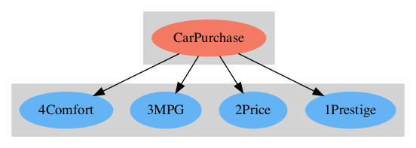
CarPurchase
 |  |  |  |  |  | Results
2Criteria | 1Prestige | 2Price | 3MPG | 4Comfort | Direct values | Normal | Ideal
1Prestige | 1 | 0.25 | 0.333 | 0.5 |  | 0.099 | 0.232
2Price | 4 | 1 | 3 | 1.5 |  | 0.425 | 1
3MPG | 3 | 0.333 | 1 | 0.333 |  | 0.169 | 0.397
4Comfort | 2 | 0.667 | 3 | 1 |  | 0.308 | 0.724
Sum of Col |  |  |  |  |  | Incons. | 0.077

